Battery Price List
Domestic OutBack Battery Price List
Effective 10/03/23

All product include free freight anywhere within the continental USA. For residential deliveries, if communicated to Order Management prior to order entry, we can specify lift gate is not needed in the sales order, and $150 liftgate fee will be waived. If not specified, all residential deliveries will automatically have $150 liftgate fee added. If distributor indicates to OutBack that no liftgate is needed, but upon delivery, one is discovered to be needed, distributor is responsible for liftgate fee plus additional handling charges incurred.

Voltage | Part Number | BCI Group Size | Picture | Description | Energy Per Battery | EXW Point | June 22 Price | Quantity per Pallet
12V Front Terminal | NSB40FT BLUE+ | Non-BCI Standard | 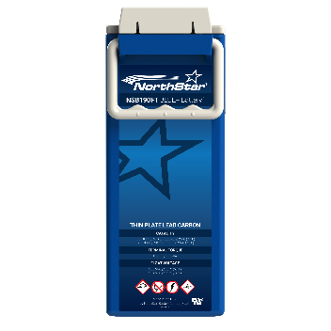 | NorthStar BLUE+ VRLA-AGM Pure Lead Carbon 40Ah c/100, 12V Front Terminal | Nameplate: 0.48kWh Usable: 0.24kWh | Suwanee, GA | $224 | 72
 | NSB100FT BLUE+ |  |  | NorthStar BLUE+ VRLA-AGM Pure Lead Carbon 105Ah c/100, 12V Front Terminal | Nameplate: 1.26kWh Usable: 0.63kWh |  | $270 | 36
 | NSB170FT BLUE+ |  |  | NorthStar BLUE+ VRLA-AGM Pure Lead Carbon 182Ah c/100, 12V Front Terminal | Nameplate: 2.18kWh Usable: 1.09kWh |  | $365 | 20
 | NSB190FT BLUE+ |  |  | NorthStar BLUE+ VRLA-AGM Pure Lead Carbon 202Ah c/100, 12V Front Terminal | Nameplate: 2.42kWh Usable: 1.21kWh |  | $380 | 20
 | *NSB210FT BLUE+ |  |  | NorthStar BLUE+ VRLA-AGM Pure Lead Carbon 216Ah c/100, 12V Front Terminal | Nameplate: 2.59kWh Usable: 1.29kWh |  | $419 | 20
 | *Not compatible with IBR-2-48-175 or IBR-3-48-175 battery racks
Voltage | Part Number | BCI Group Size | Picture | Description | Energy Per Battery | EXW Point | June 22 Price | Quantity per Pallet
12V Front Terminal | 210HP | Non-BCI Standard |  | 210HP VRLA-AGM Pure Lead 203.8Ah c/100, 12V Front Terminal | Nameplate: 2.44kWh Usable: 1.22kWh | Suwanee, GA | $405 | 12

Voltage | Part Number | BCI Group Size | Picture | Description | Energy Per Battery | EXW Point | June 22 Price | Number of Pallets
48V High Capacity System | 1000XLC | Non-BCI Standard | 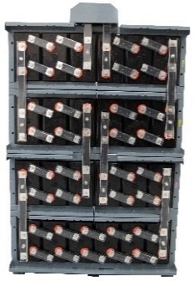 | EnergyCell XLC High Capacity Lead Carbon 1220Ah c/100 with cabinet | Nameplate: 58.5kWh Usable: 29.2kWh | Haltom City, TX | $15,999 | 3

Voltage | Part Number | BCI Group Size | Picture | Description | Energy Per Battery | EXW Point | June 22 Price | Quantity per Pallet
12 V Top Terminal | 106TT | 27 |  | EnergyCell VRLA-AGM 106Ah c/100, 12V Top Terminal | Nameplate: 1.27kWh Usable: 0.63kWh | Haltom City, TX | $179 | 30
 | 115TT | 31 |  | EnergyCell VRLA-AGM 117Ah c/100, 12V Top Terminal | Nameplate: 1.40kWh Usable: 0.70kWh |  | $206 | 30

Voltage | Part Number | BCI Group Size | Picture | Description | Energy Per Battery | EXW Point | June 22 Price | Number of Pallets
24V High Capacity System | 800RE-24 | Non-BCI Standard | 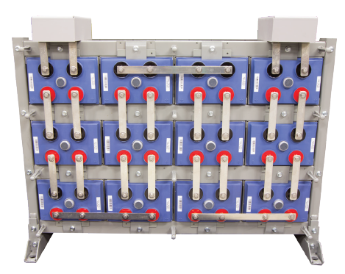 | EnergyCell RE High Capacity 24V Battery System, 810Ah c/100, 4x3 Cell Config | Nameplate: 19.2kWh Usable: 9.6kWh | Allentown, PA | $5,342 | 2
 | 1100RE-24 |  |  | EnergyCell RE High Capacity 24V Battery System, 1150Ah c/100, 4x3 Cell Config | Nameplate: 26.4kWh Usable: 13.2kWh |  | $8,057 | 3
 | 1300RE-24 |  |  | EnergyCell RE High Capacity 24V Battery System, 1340Ah c/100, 4x3 Cell Config | Nameplate: 31.2kWh Usable: 15.6kWh |  | $9,209 | 3
 | 1600RE-24 |  |  | EnergyCell RE High Capacity 24V Battery System, 1600Ah c/100, 3x4 Cell Config | Nameplate: 38.4kWh Usable: 19.2kWh |  | $10,488 | 3
 | 2000RE-24 |  |  | EnergyCell RE High Capacity 24V Battery System, 2070Ah c/100, 4x3 Cell Config | Nameplate: 48kWh Usable: 24kWh |  | $13,087 | 3
 | 2200RE-24 |  |  | EnergyCell RE High Capacity 24V Battery System, 2140Ah c/100, 4x3 Cell Config | Nameplate: 52.8kWh Usable: 26.4kWh |  | $14,101 | 3
 | 2700RE-24 |  |  | EnergyCell RE High Capacity 24V Battery System, 2770Ah c/100, 4x3 Cell Config | Nameplate: 64.8kWh Usable: 32.4kWh |  | $17,226 | 3

Voltage | Part Number | BCI Group Size | Picture | Description | Energy Per Battery | EXW Point | June 22 Price | Number of Pallets
48V High Capacity System | 800RE | Non-BCI Standard |  | EnergyCell RE High Capacity 48V Battery System, 810Ah c/100, 6x4 Cell Config | Nameplate: 38.4kWh Usable: 19.2kWh | Allentown, PA | $10,921 | 3
 | 1100RE |  |  | EnergyCell RE High Capacity 48V Battery System, 1150Ah c/100, 4x6 Cell Config | Nameplate: 52.8kWh Usable: 26.4kWh |  | $16,760 | 5
 | 1300RE |  |  | EnergyCell RE High Capacity 48V Battery System, 1340Ah c/100, 3x8 Cell Config | Nameplate: 62.4kWh Usable: 31.2kWh |  | $19,434 | 5
 | 1600RE |  |  | EnergyCell RE High Capacity 48V Battery System, 1600Ah c/100, 3x8 Cell Config | Nameplate: 76.8kWh Usable: 38.4kWh |  | $22,010 | 5
 | 2000RE |  |  | EnergyCell RE High Capacity 48V Battery System, 2070Ah c/100, 4x6 Cell Config | Nameplate: 96kWh Usable: 48kWh |  | $27,443 | 5
 | 2200RE |  |  | EnergyCell RE High Capacity 48V Battery System, 2140Ah c/100, 4x6 Cell Config | Nameplate: 105.6kWh Usable: 52.8kWh |  | $28,970 | 5
 | 2700RE |  |  | EnergyCell RE High Capacity 48V Battery System, 2770Ah c/100, 4x6 Cell Config | Nameplate: 129.6kWh Usable: 64.8kWh |  | $32,839 | 5

Voltage | Part Number | BCI Group Size | Picture | Description | Energy Per Battery | EXW Point | June 22 Price | Quantity per Pallet
6V FLA | 290FLA | GC2 |  | EnergyCell 290FLA Deep Cycle Flooded. 290Ah c/100, 6V Top Terminal | Nameplate: 1.74kWh Usable: 0.87kWh | Fremont, OH Twinsburg, OH Villa Park, IL Waterbury, CT Santa Fe Springs, CA | $171 | 32
 | 525FLA | 903 |  | EnergyCell 525FLA Deep Cycle Flooded. 525Ah c/100, 6V Top Terminal. L16 case | Nameplate: 3.15kWh Usable: 1.57kWh |  | $352 | 16

HC RE Cells & Hardware
EnergyCell High Capacity Replacement Batteries
Effective 10/03/23
Please ensure the correct battery replacement is selected. Refer to images for differences between round and square post terminals
For residential deliveries, if communicated to Order Management prior to order entry, we can specify lift gate is not needed in the sales order, and $150 liftgate fee will be waived. If not specified, all residential deliveries will automatically have $150 liftgate fee added. If distributor indicates to Outback that no liftgate is needed, but upon delivery, one is discovered to be needed, distributor is responsible for liftgate fee plus additional handling charges incurred.
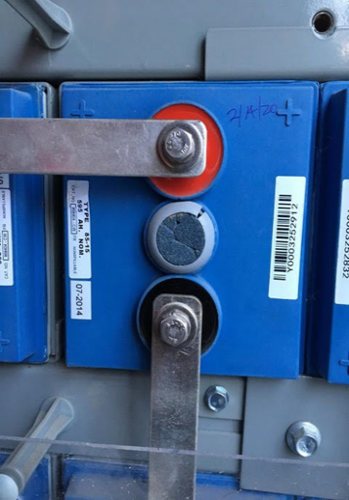
 | EnergyCell Model | Round Post EnerSys Part Number | Square Post EnerSys Part Number | 2V Battery Dimensions (in) | 2V Battery Weight (lb) | EXW Location | Price
 | 800RE | 868404-CW | 868616-CW | 21.8 x 11.9 x 6.5 | 114.3 | Allentown, PA | $725
 | 1100RE | 868405-CW | 868617-CW | 21.8 x 8.4 x 6.5 | 162.3 | Allentown, PA | $579
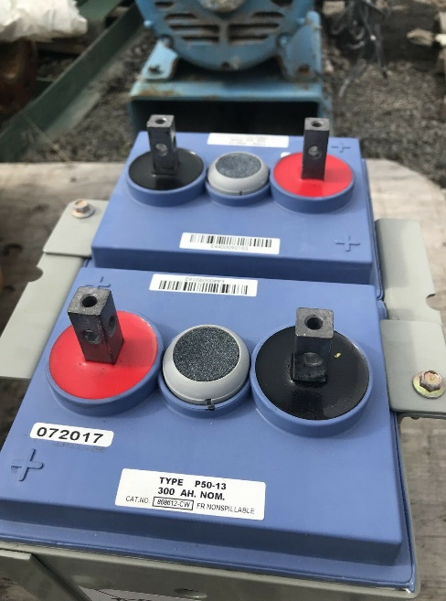
Round Post
Round Post
 | 1300RE | 868410-CW | 868621-CW | 24.5 x 8.4 x 6.5 | 188.3 | Allentown, PA | $699
 | 1600RE | 868411-CW | 868622-CW | 24.5 x 9.9 x 6.5 | 222.3 | Allentown, PA | $715
 | 2000RE | 868414-CW | 868625-CW | 23.5 x 9.9 x 8.9 | 272.3 | Allentown, PA | $975
 | 2200RE | 868413-CW | 868624-CW | 24.5 x 12.9 x 6.5 | 290.3 | Allentown, PA | $945
Square Post (new standard)
Square Post (new standard)
 | 2700RE | 868416-CW | 868627-CW | 23.5 x 12.9 x 8.9 | 358.3 | Allentown, PA | $1,149

Battery Display and Spare Hardware

 | Model |  |  | Description |  |  |  | Price
NSB Display Jar | NSB40FT BLUE-DIS |  |  | NorthStar BLUE+ VRLA-AGM Pure Lead Carbon, 12V Front Terminal, Display |  |  |  | $78
 | NSB100FT BLUE-DIS |  |  | NorthStar BLUE+ VRLA-AGM Pure Lead Carbon, 12V Front Terminal Display |  |  |  | $82
 | NSB170FT BLUE-DIS |  |  | NorthStar BLUE+ VRLA-AGM Pure Lead Carbon, 12V Front Terminal Display |  |  |  | $93
 | NSB190FT BLUE-DIS |  |  | NorthStar BLUE+ VRLA-AGM Pure Lead Carbon, 12V Front Terminal Display |  |  |  | $93
 | *NSB210FT BLUE-DIS |  |  | NorthStar BLUE+ VRLA-AGM Pure Lead Carbon, 12V Front Terminal Display |  |  |  | $108
 | *Not compatible with IBR-2-48-175 or IBR-3-48-175 battery racks

NSB HWR Kits | ACC0009 |  |  | Hardware Kit for NSB40FT-100FT, Incl. Covers, front bus bar, M8x1.25 screw & washer |  |  |  | $21
 | ACC0010 |  |  | Hardware Kit for NSB170FT-210FT, Covers, front bus bar, M8x1.25 screw & washer |  |  |  | $17
NSB Links | LNK0021 |  |  | Interconnecting bus bar Link for NSB40FT BLUE+ |  |  |  | $6
 | LNK0004 |  |  | Interconnecting bus bar Link for NSB100FT BLUE+ |  |  |  | $6
 | LNK0009 |  |  | Interconnecting bus bar Link for NSB170FT - NSB210FT BLUE+ |  |  |  | $6

PLR Display | 200PLR-DIS |  |  | EnergyCell 200PLR VRLA-AGM Pure Lead, 12V Front Terminal Display Jar |  |  |  | $93

PLR HWR | SBSF48VKITB |  |  | Hardware Kit for 48V string, Inc. bus bars, no-ox grease, hwr package, instructions |  |  |  | $36
 | 2107-8940 |  |  | Terminal Plastic Cover for 200PLR |  |  |  | $7
 | 2207-7710 |  |  | Front Terminal adapter bus bar for 200PLR |  |  |  | $16

